Instructions
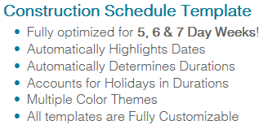
1) | Enter the company logo and type in the following information at the top of the desired schedule:
 | Project Name
 | Project Number
 | Project Start Date

2) | Enter the following on the schedule:
 | Activity
 | Start Date
 | End Date
 | Duration

3) | Highlight the Start Date through the End Date on the Schedule
 |  | *You may choose to use different highlight colors to differentiate activities.

4) | If you need to add more columns for dates, simply copy and paste previous columns

5) | If you need to add more activities, copy and paste more rows.
 |  | *To add main activities, copy the "Activity Group" row

6) | This template is a Lockaed Free template and is not part of the Lite Package.

 | Looking for more features? Try our premium Construction Schedule Template:

ConstructionLogs
Thank you for trying our Free Template!
You may enjoy this template as long as you want.

Looking to Upgrade for Full Editing Ability and Premium Features?
We make it easy with our Options Below

Option 1: Updage to Premium Templates
Purchase individual templates with premium features not found in the Free Templates!
These templates are designed to save you time and reduce costly errors and derive more data!
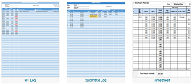

Option 2: Updage to our Premium Packages *SAVE MORE*
Bundle Templates and Save with our Premium Packages!
These packages combine the Premium Templates for significant Savings!

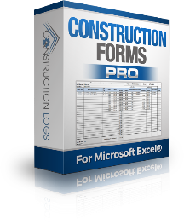
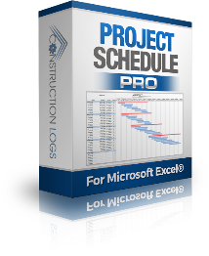
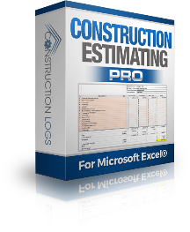


Option 3: Updage to our Contractor Package PRO *SAVE MOST*
Get ALL ConstructionLogs Templates in 1 Convenient Package.
This Package Offers The Best Value and Highest Savings!
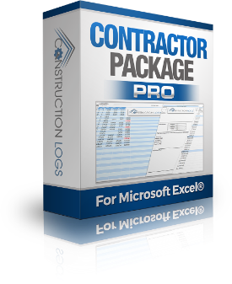

Broken link or have any questions? Visit www.ConstructionLogs.com

